Sheet1
Ensure that mission occurs within the INMARSAT coverage area:
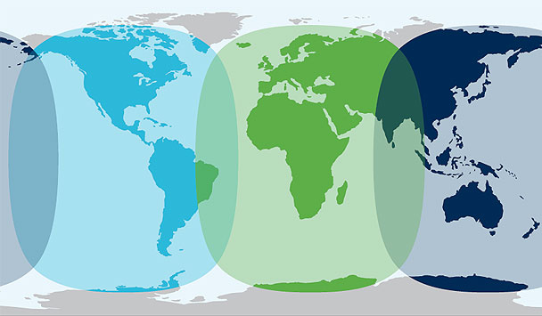

Section 1. Basic Communications
Item | Yes/No | Nav Data to Ground | MB/Hour
IWG1 Data from Aircraft |  | 1 MB/HR
X-Chat |  | .5 MB/HR
Video Cameras |  | 3 MB/HR
Section 2. Instrument Telemetry Data
Data Telemetry | # of Instruments | MB/Inst/Hour | MB/Hour
Status Packets at 1/5Hz |  | 0.1
User Packets at 1/10Hz |  | 0.2
SSH Access/ Telnet Access |  | 0.5
Other Instruments |  | ?
Quicklook Products | Quicklooks Per Hour | Estimated Quicklook Size | MB/Hour
1.)
2.)
3.)
4.)
Total MB Per Hour for Instrument Telemetry |  |  | 0
Section 3. Situational Awareness Ingest
Item | # of Aircraft | MB/Aircraft/Hour | MB/Hour
Ingest of other Aircraft Locations |  | X 0.1
Item | # of Instruments | MB/Aircraft/Hour | MB/Hour
Ingest of Instrument Time Series Data a ☐ Hz |  | 0.1
Quicklook Products and Satellite Imagery | Images Per Hour | Estimated Image Size* | Data in MB Per Hour
1.)
2.)
3.)
4.)
Total MB Per Hour for Situational Awareness Data
Bandwidth Sensitive Streaming Applications
Total Bandwidth Estimation
Item |  |  | Bandwidth
Section 1: Bandwidth per Hour From Basic Communications
Section 2: Bandwidth per Hour From Instrument Telemetry
Section 3: Bandwidth per Hour from Quicklooks and Situational Awareness
Total Bandwidth Per Hour |  |  | 0
Total Cost per Flight Hour |  |  | $0.00

